Parameters to fill
Parameters of cable | Values | Trefoil Formation
Total length of cable(s) (m) | 2000 | Result if Crossbondng is done / year
Frequency of the grid (Hz) | 50 | Calculated parameters | Values | Trefoil | Flat (disposition) | Flat (no disposition)
Distance between cables (m)* see disposition | 0.093 | Total cost of energy loss @ 100% capacity factor/ yr | € 19,201.50
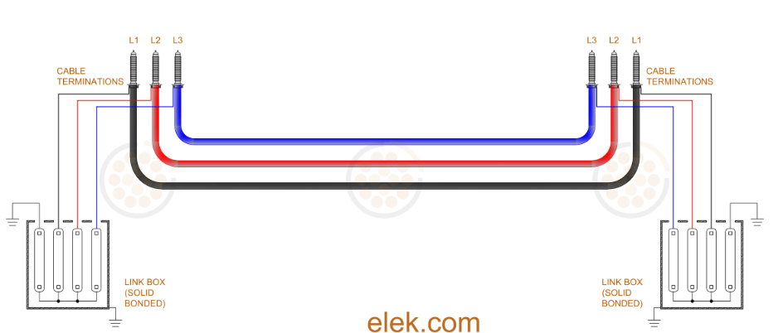
Diameter of insulation (m) | 0.075 | Total cost of energy loss per year @ capacity factor/ yr | € 6,451.70
$$m^{2}$$
$$m^{2}$$
$$m^{2}$$
$$m^{2}$$
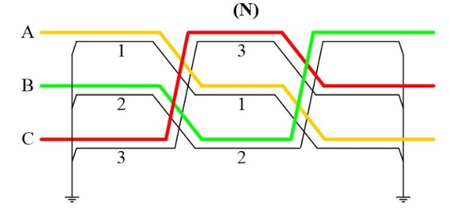
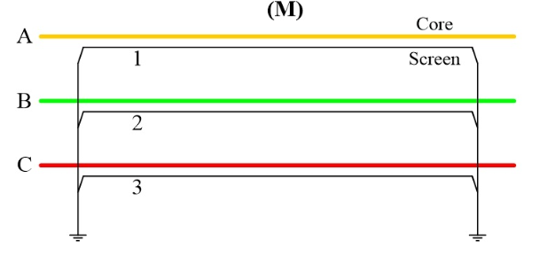
Area of cross section (conductor) | 0.001146 | Energy cost from conductor | € 2,784.19
$$m^{2}$$
$$m^{2}$$
$$m^{2}$$
$$m^{2}$$
Area of cross section (sheath) | 0.00023876 | Savings if Cross bonding is done/year | € 3,667.51
Type of conductor (Cu/Al) * choose below | Copper
Type of sheath (Cu/Al) * choose below | Copper | Flat formation ( transposition)
Cost price of energy (Euros/kWh) | € 0.10 | Result if Crossbonding is done / year
Operational hours (hrs)/year | 8760 | Calculated parameters | Values
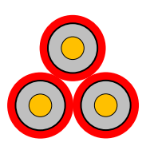
Current in cable (A) | 275 | Total cost of energy loss @ 100% capacity factor/ yr | € 22,177.44
Capacity Factor (see below) | 0.336 | Total cost of energy loss per year @ capacity factor/ yr | € 7,451.62
*Choose Conductor Type | Copper | Savings if Cross bonding is done/year | € 4,667.43

*Choose Sheeth Type | Copper
 |  | Flat formation ( no transposition)
 |  | Result if Crossbonding is done / year
Results in Worksheets (Trefoil, Flat and Flat) |  | Calculated parameters | Values
 |  | Total cost of energy loss @ 100% capacity factor/ yr | € 21,136.94
0.093m
* Cable parameters needs to be inserted in SI units |  | Total cost of energy loss per year @ capacity factor/ yr | € 7,102.01
*Current in cable = ampacity |  | Savings if Cross bonding is done/year | € 4,317.82
*Cable dimensions (in orange) can be entered from a cable data sheet
*Calculations are done as per the formula mentioned in IEC 60287-1-1
* Capacity factor is calculated for a wind farm = (Total energy produced in a year)/(Installed capacity of a wind farm *8760) [Source: https://www.cbs.nl/en-gb/figures/detail/82610ENG]
* Average Lifespan of a Windpark or Solarpark is set to 20 years
 |  | Formation Type | Total Savings*
 |  | Trefoil Formation | € 73,350.24
 |  | Flat Formation (transposition) | € 93,348.56
 |  | Flat Formation (no transposition) | € 86,356.42
 |  | * over lifespan of park (20 years)

Trefoil formation
Parameters of cable | Values
Length (m) | 2000
Frequency of the grid (Hz) | 50
Distance between cables (m) | 0.093
Diameter of insulation (m) | 0.075
$$m^{2}$$
$$m^{2}$$
Area of cross section (conductor) | 0.001146
$$m^{2}$$
$$m^{2}$$
Area of cross section (sheath) | 0.00023876
Type of conductor (Cu/Al) | Copper
0.093m
Type of sheath (Cu/Al) | Copper
Length (m)
Cost price of energy (Euros/kWh) | € 0.10
Operational hours (hrs)/year | 8760
Current in cable (A) | 275
Capacity Factor | 0.336

 |  | Calculated parameters | Values
 |  | Total cost of energy loss @ 100% capacity factor/ yr | € 19,201
 |  | Total cost of energy loss per year @ capacity factor/ yr | € 6,452
 |  | Savings if Cross bonding is done/year/Joint | € 3,668

*Calculations are done as per the formula mentioned in IEC 60287-1-1
* Capacity factor is calculated for a wind farm = (Total energy produced in a year)/(Installed capacity of a wind farm *8760) [Source: https://www.cbs.nl/en-gb/figures/detail/82610ENG]
* Cable parameters needs to be inserted in SI units
* Length = Length of the cable system as shown in figure [Source: https://elek.com]
*Current in cable = ampacity
*Cable dimensions (in orange) can be entered from a cable data sheet

Flat (transposition)
Parameters of cable | Values
Length (m) | 2000
Frequency of the grid (Hz) | 50
Distance between cables (m) [d as shown in figure] | 0.093
Diameter of insulation (m) | 0.075
$$m^{2}$$
$$m^{2}$$
Area of cross section (conductor) | 0.001146
$$m^{2}$$
$$m^{2}$$
Area of cross section (sheath) | 0.00023876
Type of conductor (Cu/Al) | Copper
Type of sheath (Cu/Al) | Copper
Transposition scheme
Cost price of energy (Euros/kWh) | 0.1
Operational hours (hrs) | 8760
Current in cable (A) | 275
Capacity Factor | 0.336

 |  | Calculated parameters | Values | Parameters | Values
 |  | Total cost of energy loss @ 100% capacity factor/ yr | € 22,177.44
 |  | Total cost of energy loss per year @ capacity factor/ yr | € 7,451.62
 |  | Savings if Cross bonding is done/year/joint | € 4,667.43

*Calculations are done as per the formula mentioned in IEC 60287-1-1
* Capacity factor is calculated for a wind farm = (Total energy produced in a year)/(Installed capacity of a wind farm *8760) [Source: https://www.cbs.nl/en-gb/figures/detail/82610ENG]
* Cable parameters needs to be inserted in SI units
* Length of the cable system = distance between the grounding points as shown in figure
*Current in cable = ampacity
*Cable dimensions (in orange) can be entered from a cable data sheet

Flat (no transposition)
Parameters of cable | Values
Length (m) | 2000
Frequency of the grid (Hz) | 50
Distance between cables (m) [d as shown in figure] | 0.093
Diameter of insulation (m) | 0.075
$$m^{2}$$
Area of cross section (conductor) | 0.001146
$$m^{2}$$
Area of cross section (sheath) | 0.00023876
Type of conductor (Cu/Al) | Copper
Type of sheath (Cu/Al) | Copper
Cost price of energy (Euro/kWh) | 0.1
Operational hours (hrs) | 8760
No Transposition
Current in cable (A) | 275
Capacity Factor | 0.336

 |  | Calculated parameters | Values | Parameters | Values
 |  | Total cost of energy loss @ 100% capacity factor/ yr | € 21,136.94
 |  | Total cost of energy loss per year @ capacity factor/ yr | € 7,102.01
 |  | Savings if Cross bonding is done/year/joint | € 4,317.82

*Calculations are done as per the formula mentioned in IEC 60287-1-1
* Capacity factor is calculated for a wind farm = (Total energy produced in a year)/(Installed capacity of a wind farm *8760) [Source: https://www.cbs.nl/en-gb/figures/detail/82610ENG]
* Cable parameters needs to be inserted in SI units
* Length of the cable system = distance between the grounding points as shown in figure
*For flat formation 'd' as shown in figure is the distance between the cables
*Current in cable = ampacity
*Cable dimensions (in orange) can be entered from a cable data sheet

